Sheet1
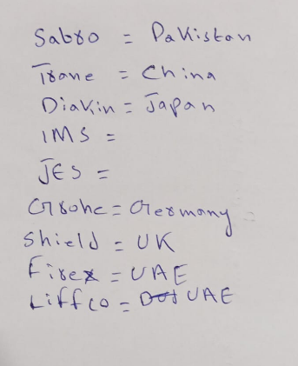

CITI BANK
Material | Lead Time | Make | Origin
DFCU | 8 to 10 weeks | SABRO / TRANE | PAKISTAN / CHINA
WCPU | 18 to 20 weeks | DAIKIN | JAPAN
VAVS | 8 to 10 weeks | BARCOL / HONEYWELL | NEITHERLAND / USA
Plumbing Fixtures | 6 to 8 weeks | GROHE | GERMANY
Fire Extinghuisers | 8 to 10 weeks | Sheild / FIREX / LIFFCO | UK / UAE / UAE
Sprinklers | 8 to 10 weeks | Sheild / FIREX / LIFFCO | UK / UAE / UAE

